Rail Ridership - Map
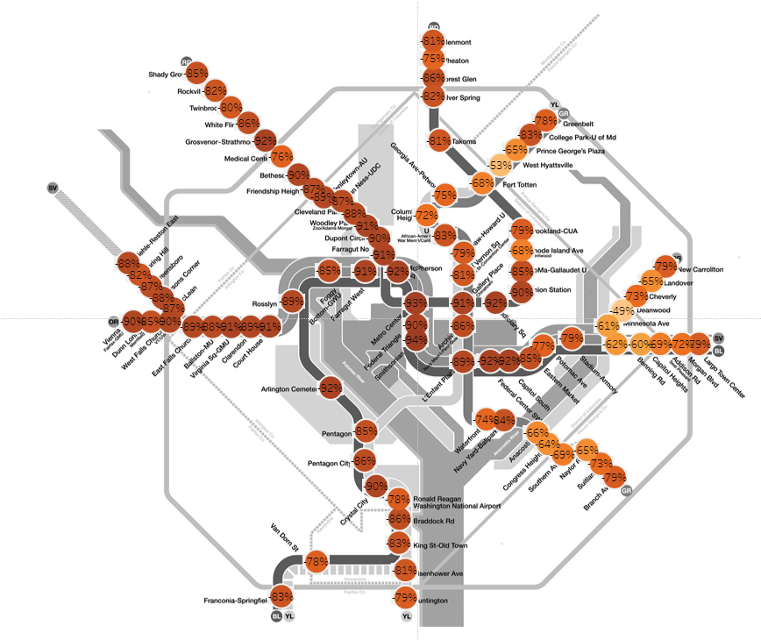
Change in Metrorail ridership, March 19, 2020 vs. equivalent day in 2019
All data is preliminary and will be re-stated as more data becomes available, and as we
improve our measurement methods in a rapidly changing operating environment.
Equivalent day in 2019 is typically the closest calendar date of the same day of the week,
with some adustments around holidays.

